2008
 | Jan | Feb | Mar | Apr
Joe1 | 179 | 126 | 190 | 187
Joe2 | 172 | 155 | 144 | 197
Joe3 | 109 | 137 | 134 | 163
Joe4 | 168 | 175 | 164 | 183
Joe5 | 157 | 126 | 181 | 105

1) | Consolidation will make 1 of 11 calculations (add, average, Max…) on numbers from 2 or more tables
2) | Name each table before you start
3) | In Excel 2003, Consolidation is in the Data menu
4) | In Excel 2007, Consolidation is in the Data Group on the Data Ribbon
5) | 1) Select function; 2) paste named range in Reference textbox; 3) select Top row and Left column if that is where your labels are; 4) click "Create links to source data" if you want links; 5) Click Add; 6) Paste next name; 7) click OK. |  |  |  | 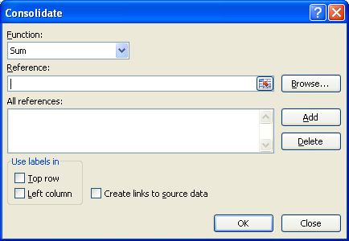
6) | This is what the dialog box looks like ==>
7) | You can create a 3-D Cell Reference inside a SUM function: 1) Alt + =; 2) Click on first sheet; 3) click on cell; 4) Hold Shift; 5) click on last sheet; 6) hit Enter.

